LEE COOPER
 |  |  |  | AUTUMN/WINTER 2026 COLLECTION
 |  |  |  | Client: _ _ _ _ _ _ _ _ _ _ _ _ _ _ _
 |  |  |  | Address: _ _ _ _ _ _ _ _ _ _ _ _ _ _ _

No. | Kép | Cikkszám | TEMA CODE | SIZE | Méret lebontás | Anyag | Nettó Nk ár | Javasolt Fogy ár | Mennyiség | Érték

AW26 LEE COOPER MENS COLLECTION
200. | 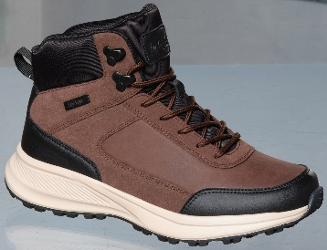 | LCJ-26-02-4501MB | 150769 | 40-45 | 1-2-3-3-2-1 | SYNTHETIC/LEATHER | 10,413 HUF | 24,990 HUF |  | 0 HUF
201. |  | LCJ-26-02-4501MC | 150777 | 40-45 | 1-1-3-3-2-2 | SYNTHETIC/LEATHER | 10,413 HUF | 24,990 HUF |  | 0 HUF
202. | 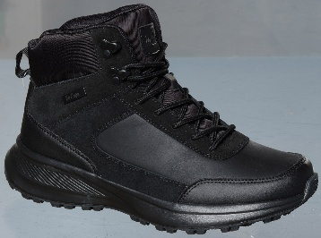 | LCJ-26-02-4502MB | 150785 | 40-45 | 1-2-3-3-2-1 | SYNTHETIC/LEATHER | 10,413 HUF | 24,990 HUF |  | 0 HUF
203. |  | LCJ-26-02-4502MC | 150793 | 40-45 | 1-1-3-3-2-2 | SYNTHETIC/LEATHER | 10,413 HUF | 24,990 HUF |  | 0 HUF
214. |  | LCJ-26-02-4508MA | 150878 | 41-46 | 1-2-3-3-2-1 | SYNTHETIC | 5,829 HUF | 13,990 HUF |  | 0 HUF
215. |  | LCJ-26-02-4508MB | 150886 | 40-45 | 1-2-3-3-2-1 | SYNTHETIC | 5,829 HUF | 13,990 HUF |  | 0 HUF
216. |  | LCJ-26-02-4509MA | 150894 | 41-46 | 1-2-3-3-2-1 | SYNTHETIC | 5,829 HUF | 13,990 HUF |  | 0 HUF
217. |  | LCJ-26-02-4509MB | 150902 | 40-45 | 1-2-3-3-2-1 | SYNTHETIC | 5,829 HUF | 13,990 HUF |  | 0 HUF
218. |  | LCJ-26-02-4510MA | 150910 | 41-46 | 1-2-3-3-2-1 | SYNTHETIC | 5,829 HUF | 13,990 HUF |  | 0 HUF
219. |  | LCJ-26-02-4510MB | 150918 | 40-45 | 1-2-3-3-2-1 | SYNTHETIC | 5,829 HUF | 13,990 HUF |  | 0 HUF
220. |  | LCJ-26-02-4511MA | 150926 | 41-46 | 1-2-3-3-2-1 | SYNTHETIC | 5,829 HUF | 13,990 HUF |  | 0 HUF
221. |  | LCJ-26-02-4511MB | 150934 | 40-45 | 1-2-3-3-2-1 | SYNTHETIC | 5,829 HUF | 13,990 HUF |  | 0 HUF
262. |  | LCJ-26-03-4536MA | 151227 | 41-46 | 1-2-3-3-2-1 | ORTHOLITE/SYNTHETIC | 9,163 HUF | 21,990 HUF |  | 0 HUF
263. |  | LCJ-26-03-4536MB | 151235 | 40-45 | 1-2-3-3-2-1 | ORTHOLITE/SYNTHETIC | 9,163 HUF | 21,990 HUF |  | 0 HUF
264. |  | LCJ-26-03-4537MA | 151243 | 41-46 | 1-2-3-3-2-1 | ORTHOLITE/SYNTHETIC | 9,163 HUF | 21,990 HUF |  | 0 HUF
265. |  | LCJ-26-03-4537MB | 151251 | 40-45 | 1-2-3-3-2-1 | ORTHOLITE/SYNTHETIC | 9,163 HUF | 21,990 HUF |  | 0 HUF
266. |  | LCJ-26-03-4538MA | 151259 | 41-46 | 1-2-3-3-2-1 | ORTHOLITE/LEATHER | 10,413 HUF | 24,990 HUF |  | 0 HUF
267. |  | LCJ-26-03-4538MB | 151267 | 40-45 | 1-2-3-3-2-1 | ORTHOLITE/LEATHER | 10,413 HUF | 24,990 HUF |  | 0 HUF
268. |  | LCJ-26-03-4539MA | 151275 | 41-46 | 1-2-3-3-2-1 | ORTHOLITE/LEATHER | 10,413 HUF | 24,990 HUF |  | 0 HUF
269. |  | LCJ-26-03-4539MB | 151283 | 40-45 | 1-2-3-3-2-1 | ORTHOLITE/LEATHER | 10,413 HUF | 24,990 HUF |  | 0 HUF
270. |  | LCJ-26-03-4540MA | 151291 | 41-46 | 1-2-3-3-2-1 | ORTHOLITE/LEATHER | 10,413 HUF | 24,990 HUF |  | 0 HUF
271. |  | LCJ-26-03-4540MB | 151299 | 40-45 | 1-2-3-3-2-1 | ORTHOLITE/LEATHER | 10,413 HUF | 24,990 HUF |  | 0 HUF
272. |  | LCJ-26-03-4541MA | 151307 | 41-46 | 1-2-3-3-2-1 | ORTHOLITE/LEATHER | 9,579 HUF | 22,990 HUF |  | 0 HUF
273. |  | LCJ-26-03-4541MB | 151315 | 40-45 | 1-2-3-3-2-1 | ORTHOLITE/LEATHER | 9,579 HUF | 22,990 HUF |  | 0 HUF
274. |  | LCJ-26-03-4542MA | 151323 | 41-46 | 1-2-3-3-2-1 | ORTHOLITE/LEATHER | 9,579 HUF | 22,990 HUF |  | 0 HUF
275. |  | LCJ-26-03-4542MB | 151331 | 40-45 | 1-2-3-3-2-1 | ORTHOLITE/LEATHER | 9,579 HUF | 22,990 HUF |  | 0 HUF
276. |  | LCJ-26-03-4543MA | 151339 | 41-46 | 1-2-3-3-2-1 | ORTHOLITE/LEATHER | 9,579 HUF | 22,990 HUF |  | 0 HUF
277. |  | LCJ-26-03-4543MB | 151347 | 40-45 | 1-2-3-3-2-1 | ORTHOLITE/LEATHER | 9,579 HUF | 22,990 HUF |  | 0 HUF
278. |  | LCJ-26-03-4544MA | 151355 | 41-46 | 1-2-3-3-2-1 | ORTHOLITE/LEATHER | 9,579 HUF | 22,990 HUF |  | 0 HUF
279. |  | LCJ-26-03-4544MB | 151363 | 40-45 | 1-2-3-3-2-1 | ORTHOLITE/LEATHER | 9,579 HUF | 22,990 HUF |  | 0 HUF
280. | 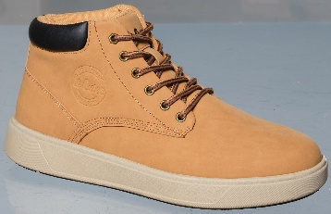 | LCJ-26-03-4545MA | 151371 | 41-46 | 1-2-3-3-2-1 | ORTHOLITE/SYNTHETIC | 9,163 HUF | 21,990 HUF |  | 0 HUF
281. |  | LCJ-26-03-4545MB | 151379 | 40-45 | 1-2-3-3-2-1 | ORTHOLITE/SYNTHETIC | 9,163 HUF | 21,990 HUF |  | 0 HUF
282. |  | LCJ-26-03-4546MA | 151387 | 41-46 | 1-2-3-3-2-1 | ORTHOLITE/SYNTHETIC | 9,163 HUF | 21,990 HUF |  | 0 HUF
283. |  | LCJ-26-03-4546MB | 151395 | 40-45 | 1-2-3-3-2-1 | ORTHOLITE/SYNTHETIC | 9,163 HUF | 21,990 HUF |  | 0 HUF
284. | 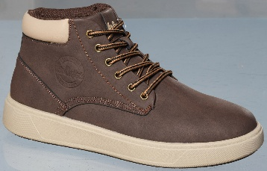 | LCJ-26-03-4547MA | 151403 | 41-46 | 1-2-3-3-2-1 | ORTHOLITE/SYNTHETIC | 9,163 HUF | 21,990 HUF |  | 0 HUF
285. |  | LCJ-26-03-4547MB | 151411 | 40-45 | 1-2-3-3-2-1 | ORTHOLITE/SYNTHETIC | 9,163 HUF | 21,990 HUF |  | 0 HUF
286. | 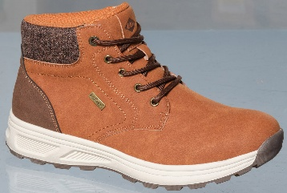 | LCJ-26-03-4548MA | 151419 | 41-46 | 1-2-3-3-2-1 | ORTHOLITE/SYNTHETIC | 9,163 HUF | 21,990 HUF |  | 0 HUF
287. |  | LCJ-26-03-4548MB | 151427 | 40-45 | 1-2-3-3-2-1 | ORTHOLITE/SYNTHETIC | 9,163 HUF | 21,990 HUF |  | 0 HUF
288. | 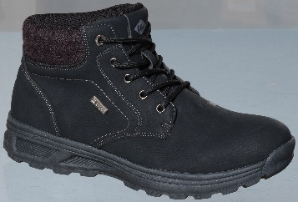 | LCJ-26-03-4549MA | 151435 | 41-46 | 1-2-3-3-2-1 | ORTHOLITE/SYNTHETIC | 9,163 HUF | 21,990 HUF |  | 0 HUF
289. |  | LCJ-26-03-4549MB | 151443 | 40-45 | 1-2-3-3-2-1 | ORTHOLITE/SYNTHETIC | 9,163 HUF | 21,990 HUF |  | 0 HUF
320. | 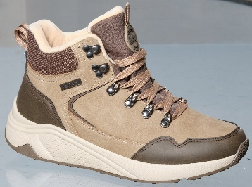 | LCJ-26-31-4583MA | 151721 | 41-46 | 1-2-3-3-2-1 | SYNTHETIC/NYLON | 10,829 HUF | 25,990 HUF |  | 0 HUF
321. |  | LCJ-26-31-4583MB | 151729 | 40-45 | 1-2-3-3-2-1 | SYNTHETIC/NYLON | 10,829 HUF | 25,990 HUF |  | 0 HUF
322. | 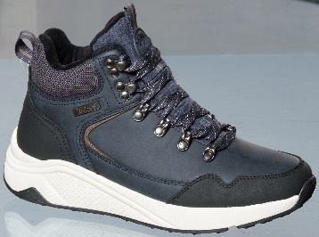 | LCJ-26-31-4584MA | 151737 | 41-46 | 1-2-3-3-2-1 | SYNTHETIC/NYLON | 10,829 HUF | 25,990 HUF |  | 0 HUF
323. |  | LCJ-26-31-4584MB | 151745 | 40-45 | 1-2-3-3-2-1 | SYNTHETIC/NYLON | 10,829 HUF | 25,990 HUF |  | 0 HUF
324. | 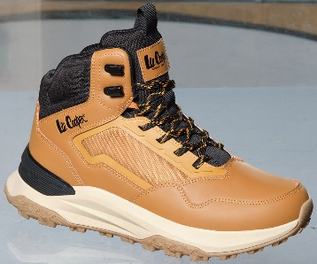 | LCJ-26-31-4585MA | 151753 | 41-46 | 1-2-3-3-2-1 | SYNTHETIC/NYLON | 12,079 HUF | 28,990 HUF |  | 0 HUF
325. |  | LCJ-26-31-4585MB | 151761 | 40-45 | 1-2-3-3-2-1 | SYNTHETIC/NYLON | 12,079 HUF | 28,990 HUF |  | 0 HUF
326. | 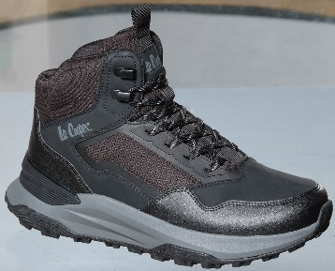 | LCJ-26-31-4586MA | 151769 | 41-46 | 1-2-3-3-2-1 | SYNTHETIC/NYLON | 12,079 HUF | 28,990 HUF |  | 0 HUF
327. |  | LCJ-26-31-4586MB | 151777 | 40-45 | 1-2-3-3-2-1 | SYNTHETIC/NYLON | 12,079 HUF | 28,990 HUF |  | 0 HUF
328. | 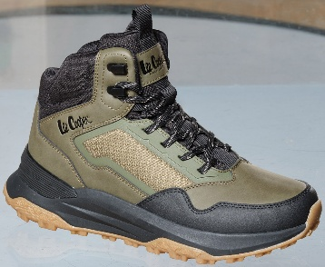 | LCJ-26-31-4587MA | 151785 | 41-46 | 1-2-3-3-2-1 | SYNTHETIC/NYLON | 12,079 HUF | 28,990 HUF |  | 0 HUF
329. |  | LCJ-26-31-4587MB | 151793 | 40-45 | 1-2-3-3-2-1 | SYNTHETIC/NYLON | 12,079 HUF | 28,990 HUF |  | 0 HUF
330. | 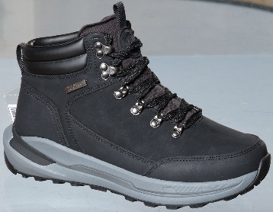 | LCJ-26-31-4588MA | 151801 | 41-46 | 1-2-3-3-2-1 | SYNTHETIC/TECTILE | 11,663 HUF | 27,990 HUF |  | 0 HUF
331. |  | LCJ-26-31-4588MB | 151809 | 40-45 | 1-2-3-3-2-1 | SYNTHETIC/TECTILE | 11,663 HUF | 27,990 HUF |  | 0 HUF
332. | 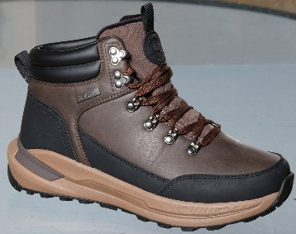 | LCJ-26-31-4589MA | 151817 | 41-46 | 1-2-3-3-2-1 | SYNTHETIC/NYLON | 11,663 HUF | 27,990 HUF |  | 0 HUF
333. |  | LCJ-26-31-4589MB | 151825 | 40-45 | 1-2-3-3-2-1 | SYNTHETIC/NYLON | 11,663 HUF | 27,990 HUF |  | 0 HUF
334. | 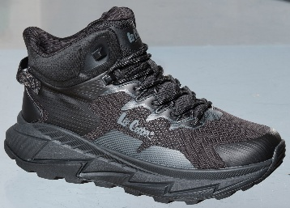 | LCJ-26-31-4590MA | 151833 | 41-46 | 1-2-3-3-2-1 | MESH/TEXTILE | 12,079 HUF | 28,990 HUF |  | 0 HUF
335. |  | LCJ-26-31-4590MB | 151841 | 40-45 | 1-2-3-3-2-1 | MESH/TEXTILE | 12,079 HUF | 28,990 HUF |  | 0 HUF
336. | 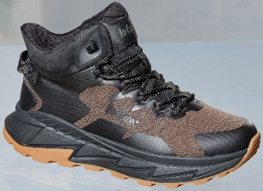 | LCJ-26-31-4591MA | 151849 | 41-46 | 1-2-3-3-2-1 | MESH/TEXTILE | 12,079 HUF | 28,990 HUF |  | 0 HUF
337. |  | LCJ-26-31-4591MB | 151857 | 40-45 | 1-2-3-3-2-1 | MESH/TEXTILE | 12,079 HUF | 28,990 HUF |  | 0 HUF
356. |  | LCJ-26-01-4610MA | 152000 | 41-46 | 1-2-3-3-2-1 | ORTHOLITE/SOFTSHEEL MESH | 10,413 HUF | 24,990 HUF |  | 0 HUF
357. |  | LCJ-26-01-4610MB | 152008 | 40-45 | 1-2-3-3-2-1 | ORTHOLITE/SOFTSHEEL MESH | 10,413 HUF | 24,990 HUF |  | 0 HUF
358. |  | LCJ-26-01-4611MA | 152016 | 41-46 | 1-2-3-3-2-1 | ORTHOLITE/SOFTSHEEL MESH | 10,413 HUF | 24,990 HUF |  | 0 HUF
359. |  | LCJ-26-01-4611MB | 152024 | 40-45 | 1-2-3-3-2-1 | ORTHOLITE/SOFTSHEEL MESH | 10,413 HUF | 24,990 HUF |  | 0 HUF
360. |  | LCJ-26-01-4612MA | 152032 | 41-46 | 1-2-3-3-2-1 | ORTHOLITE/SOFTSHEEL MESH | 9,579 HUF | 22,990 HUF |  | 0 HUF
361. |  | LCJ-26-01-4612MB | 152040 | 40-45 | 1-2-3-3-2-1 | ORTHOLITE/SOFTSHEEL MESH | 9,579 HUF | 22,990 HUF |  | 0 HUF
361.1 |  | LCJ-26-01-4658MA | 153467 | 41-46 | 1-2-3-3-2-1 | ORTHOLITE/SOFTSHEEL MESH | 9,996 HUF | 23,990 HUF |  | 0 HUF
361.2 |  | LCJ-26-01-4658MB | 153475 | 40-45 | 1-2-3-3-2-1 | ORTHOLITE/SOFTSHEEL MESH | 9,996 HUF | 23,990 HUF |  | 0 HUF
361.3 |  | LCJ-26-01-4609MA | 153498 | 41-46 | 1-2-3-3-2-1 | ORTHOLITE/SOFTSHEEL MESH | 9,996 HUF | 23,990 HUF |  | 0 HUF
361.4 |  | LCJ-26-01-4609MB | 153506 | 40-45 | 1-2-3-3-2-1 | ORTHOLITE/SOFTSHEEL MESH | 9,996 HUF | 23,990 HUF |  | 0 HUF
366. | 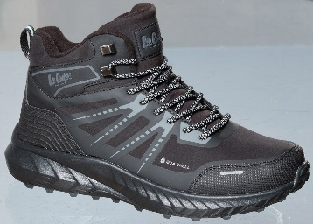 | LCJ-26-01-4615MA | 152078 | 41-46 | 1-2-3-3-2-1 | ORTHOLITE/SOFTSHEEL MESH | 10,413 HUF | 24,990 HUF |  | 0 HUF
367. |  | LCJ-26-01-4615MB | 152086 | 40-45 | 1-2-3-3-2-1 | ORTHOLITE/SOFTSHEEL MESH | 10,413 HUF | 24,990 HUF |  | 0 HUF
368. | 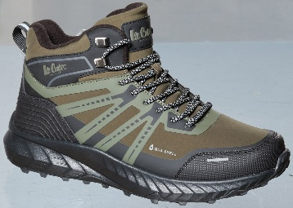 | LCJ-26-01-4616MA | 152094 | 41-46 | 1-2-3-3-2-1 | ORTHOLITE/SOFTSHEEL MESH | 10,413 HUF | 24,990 HUF |  | 0 HUF
369. |  | LCJ-26-01-4616MB | 152102 | 40-45 | 1-2-3-3-2-1 | ORTHOLITE/SOFTSHEEL MESH | 10,413 HUF | 24,990 HUF |  | 0 HUF
370. | 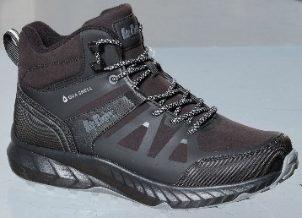 | LCJ-26-01-4617MA | 152110 | 41-46 | 1-2-3-3-2-1 | ORTHOLITE/SOFTSHEEL MESH | 10,413 HUF | 24,990 HUF |  | 0 HUF
371. |  | LCJ-26-01-4617MB | 152118 | 40-45 | 1-2-3-3-2-1 | ORTHOLITE/SOFTSHEEL MESH | 10,413 HUF | 24,990 HUF |  | 0 HUF
372. | 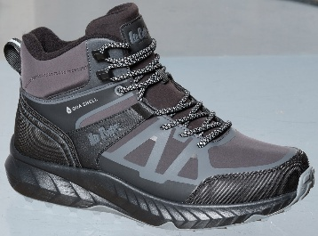 | LCJ-26-01-4618MA | 152126 | 41-46 | 1-2-3-3-2-1 | ORTHOLITE/SOFTSHEEL MESH | 10,413 HUF | 24,990 HUF |  | 0 HUF
373. |  | LCJ-26-01-4618MB | 152134 | 40-45 | 1-2-3-3-2-1 | ORTHOLITE/SOFTSHEEL MESH | 10,413 HUF | 24,990 HUF |  | 0 HUF
378. | 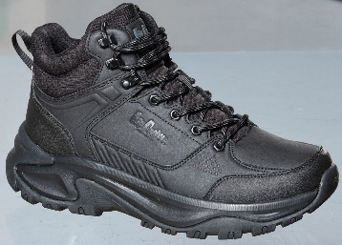 | LCJ-26-01-4621MA | 152172 | 41-46 | 1-2-3-3-2-1 | ORTHOLITE/SYNTHETIC | 9,996 HUF | 23,990 HUF |  | 0 HUF
379. |  | LCJ-26-01-4621MB | 152180 | 40-45 | 1-2-3-3-2-1 | ORTHOLITE/SYNTHETIC | 9,996 HUF | 23,990 HUF |  | 0 HUF
380. | 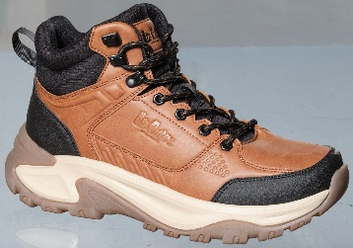 | LCJ-26-01-4622MA | 152188 | 41-46 | 1-2-3-3-2-1 | ORTHOLITE/SYNTHETIC | 9,996 HUF | 23,990 HUF |  | 0 HUF
381. |  | LCJ-26-01-4622MB | 152196 | 40-45 | 1-2-3-3-2-1 | ORTHOLITE/SYNTHETIC | 9,996 HUF | 23,990 HUF |  | 0 HUF
382. | 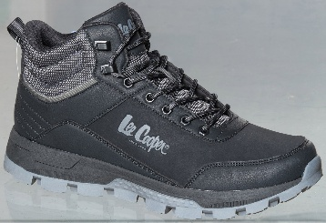 | LCJ-26-01-4623MA | 152204 | 41-46 | 1-2-3-3-2-1 | ORTHOLITE/SYNTHETIC | 9,163 HUF | 21,990 HUF |  | 0 HUF
383. |  | LCJ-26-01-4623MB | 152212 | 40-45 | 1-2-3-3-2-1 | ORTHOLITE/SYNTHETIC | 9,163 HUF | 21,990 HUF |  | 0 HUF
384. | 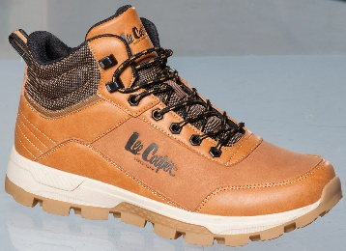 | LCJ-26-01-4624MA | 152220 | 41-46 | 1-2-3-3-2-1 | ORTHOLITE/SYNTHETIC | 9,163 HUF | 21,990 HUF |  | 0 HUF
385. |  | LCJ-26-01-4624MB | 152228 | 40-45 | 1-2-3-3-2-1 | ORTHOLITE/SYNTHETIC | 9,163 HUF | 21,990 HUF |  | 0 HUF
386. | 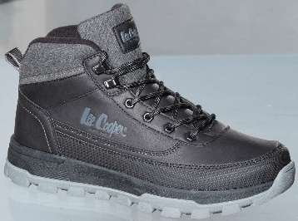 | LCJ-26-01-4625MA | 152236 | 41-46 | 1-2-3-3-2-1 | ORTHOLITE/SYNTHETIC | 9,163 HUF | 21,990 HUF |  | 0 HUF
387. |  | LCJ-26-01-4625MB | 152244 | 40-45 | 1-2-3-3-2-1 | ORTHOLITE/SYNTHETIC | 9,163 HUF | 21,990 HUF |  | 0 HUF
388. | 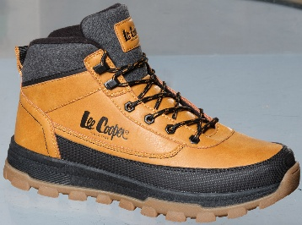 | LCJ-26-01-4626MA | 152252 | 41-46 | 1-2-3-3-2-1 | ORTHOLITE/SYNTHETIC | 9,163 HUF | 21,990 HUF |  | 0 HUF
389. |  | LCJ-26-01-4626MB | 152260 | 40-45 | 1-2-3-3-2-1 | ORTHOLITE/SYNTHETIC | 9,163 HUF | 21,990 HUF |  | 0 HUF
390. | 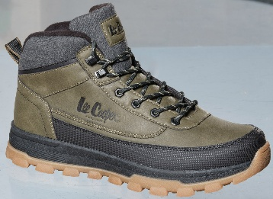 | LCJ-26-01-4627MA | 152268 | 41-46 | 1-2-3-3-2-1 | ORTHOLITE/SYNTHETIC | 9,163 HUF | 21,990 HUF |  | 0 HUF
391. |  | LCJ-26-01-4627MB | 152276 | 40-45 | 1-2-3-3-2-1 | ORTHOLITE/SYNTHETIC | 9,163 HUF | 21,990 HUF |  | 0 HUF
467. | 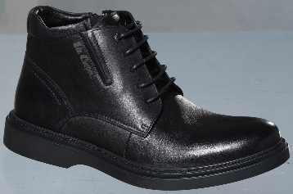 | LCJ-26-33-4670MB | 152854 | 40-45 | 1-2-3-3-2-1 | LEATHER | 14,163 HUF | 33,990 HUF |  | 0 HUF
468. |  | LCJ-26-33-4670MC | 152862 | 40-45 | 1-1-3-3-2-2 | LEATHER | 14,163 HUF | 33,990 HUF |  | 0 HUF
469. |  | LCJ-26-33-4671MB | 152870 | 40-45 | 1-2-3-3-2-1 | LEATHER | 14,163 HUF | 33,990 HUF |  | 0 HUF
470. |  | LCJ-26-33-4671MC | 152878 | 40-45 | 1-1-3-3-2-2 | LEATHER | 14,163 HUF | 33,990 HUF |  | 0 HUF
471. | 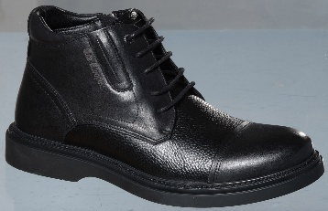 | LCJ-26-33-4672MB | 152886 | 40-45 | 1-2-3-3-2-1 | LEATHER | 14,163 HUF | 33,990 HUF |  | 0 HUF
472. |  | LCJ-26-33-4672MC | 152894 | 40-45 | 1-1-3-3-2-2 | LEATHER | 14,163 HUF | 33,990 HUF |  | 0 HUF
473. | 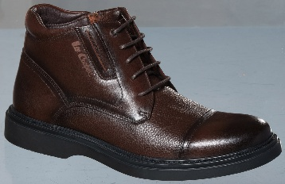 | LCJ-26-33-4673MB | 152902 | 40-45 | 1-2-3-3-2-1 | LEATHER | 14,163 HUF | 33,990 HUF |  | 0 HUF
474. |  | LCJ-26-33-4673MC | 152910 | 40-45 | 1-1-3-3-2-2 | LEATHER | 14,163 HUF | 33,990 HUF |  | 0 HUF
475. |  | LCJ-26-33-4674MB | 152918 | 40-45 | 1-2-3-3-2-1 | LEATHER | 12,496 HUF | 29,990 HUF |  | 0 HUF
476. |  | LCJ-26-33-4674MC | 152926 | 40-45 | 1-1-3-3-2-2 | LEATHER | 12,496 HUF | 29,990 HUF |  | 0 HUF
477. |  | LCJ-26-33-4675MB | 152934 | 40-45 | 1-2-3-3-2-1 | LEATHER | 12,496 HUF | 29,990 HUF |  | 0 HUF
478. |  | LCJ-26-33-4675MC | 152942 | 40-45 | 1-1-3-3-2-2 | LEATHER | 12,496 HUF | 29,990 HUF |  | 0 HUF
479. |  | LCJ-26-33-4676MB | 152950 | 40-45 | 1-2-3-3-2-1 | LEATHER | 11,246 HUF | 26,990 HUF |  | 0 HUF
480. |  | LCJ-26-33-4676MC | 152958 | 40-45 | 1-1-3-3-2-2 | LEATHER | 11,246 HUF | 26,990 HUF |  | 0 HUF
481. |  | LCJ-26-33-4677MB | 152966 | 40-45 | 1-2-3-3-2-1 | LEATHER | 11,246 HUF | 26,990 HUF |  | 0 HUF
482. |  | LCJ-26-33-4677MC | 152974 | 40-45 | 1-1-3-3-2-2 | LEATHER | 11,246 HUF | 26,990 HUF |  | 0 HUF
483. |  | LCJ-26-33-4678MB | 152982 | 40-45 | 1-2-3-3-2-1 | LEATHER | 11,246 HUF | 26,990 HUF |  | 0 HUF
484. |  | LCJ-26-33-4678MC | 152990 | 40-45 | 1-1-3-3-2-2 | LEATHER | 11,246 HUF | 26,990 HUF |  | 0 HUF
485. |  | LCJ-26-33-4679MB | 152998 | 40-45 | 1-2-3-3-2-1 | LEATHER | 11,246 HUF | 26,990 HUF |  | 0 HUF
486. |  | LCJ-26-33-4679MC | 153006 | 40-45 | 1-1-3-3-2-2 | LEATHER | 11,246 HUF | 26,990 HUF |  | 0 HUF
487. |  | LCJ-26-33-4680MB | 153014 | 40-45 | 1-2-3-3-2-1 | LEATHER | 13,746 HUF | 32,990 HUF |  | 0 HUF
488. |  | LCJ-26-33-4680MC | 153022 | 40-45 | 1-1-3-3-2-2 | LEATHER | 13,746 HUF | 32,990 HUF |  | 0 HUF
489. |  | LCJ-26-33-4681MB | 153030 | 40-45 | 1-2-3-3-2-1 | LEATHER | 13,746 HUF | 32,990 HUF |  | 0 HUF
490. |  | LCJ-26-33-4681MC | 153038 | 40-45 | 1-1-3-3-2-2 | LEATHER | 13,746 HUF | 32,990 HUF |  | 0 HUF
491. |  | LCJ-26-33-4682MB | 153046 | 40-45 | 1-2-3-3-2-1 | LEATHER | 13,329 HUF | 31,990 HUF |  | 0 HUF
492. |  | LCJ-26-33-4682MC | 153054 | 40-45 | 1-1-3-3-2-2 | LEATHER | 13,329 HUF | 31,990 HUF |  | 0 HUF
493. |  | LCJ-26-33-4683MB | 153062 | 40-45 | 1-2-3-3-2-1 | LEATHER | 13,329 HUF | 31,990 HUF |  | 0 HUF
494. |  | LCJ-26-33-4683MC | 153070 | 40-45 | 1-1-3-3-2-2 | LEATHER | 13,329 HUF | 31,990 HUF |  | 0 HUF
495. |  | LCJ-26-33-4684MB | 153078 | 40-45 | 1-2-3-3-2-1 | LEATHER | 10,829 HUF | 25,990 HUF |  | 0 HUF
496. |  | LCJ-26-33-4684MC | 153086 | 40-45 | 1-1-3-3-2-2 | LEATHER | 10,829 HUF | 25,990 HUF |  | 0 HUF
497. |  | LCJ-26-33-4685MB | 153094 | 40-45 | 1-2-3-3-2-1 | LEATHER | 10,829 HUF | 25,990 HUF |  | 0 HUF
498. |  | LCJ-26-33-4685MC | 153102 | 40-45 | 1-1-3-3-2-2 | LEATHER | 10,829 HUF | 25,990 HUF |  | 0 HUF
499. |  | LCJ-26-33-4686MB | 153110 | 40-45 | 1-2-3-3-2-1 | LEATHER | 10,829 HUF | 25,990 HUF |  | 0 HUF
500. |  | LCJ-26-33-4686MC | 153118 | 40-45 | 1-1-3-3-2-2 | LEATHER | 10,829 HUF | 25,990 HUF |  | 0 HUF
501. |  | LCJ-26-33-4687MB | 153126 | 40-45 | 1-2-3-3-2-1 | LEATHER | 10,829 HUF | 25,990 HUF |  | 0 HUF
502. |  | LCJ-26-33-4687MC | 153134 | 40-45 | 1-1-3-3-2-2 | LEATHER | 10,829 HUF | 25,990 HUF |  | 0 HUF
AW26 LEE COOPER LADIES COLLECTION
208. |  | LCJ-26-02-4505LA | 150833 | 36-41 | 1-2-3-3-2-1 | SYNTHETIC | 5,413 HUF | 12,990 HUF |  | 0 HUF
209. |  | LCJ-26-02-4505LB | 150841 | 37-41 | 1-3-3-3-2 | SYNTHETIC | 5,413 HUF | 12,990 HUF |  | 0 HUF
210. |  | LCJ-26-02-4506LA | 150848 | 36-41 | 1-2-3-3-2-1 | SYNTHETIC | 5,413 HUF | 12,990 HUF |  | 0 HUF
211. |  | LCJ-26-02-4506LB | 150856 | 37-41 | 1-3-3-3-2 | SYNTHETIC | 5,413 HUF | 12,990 HUF |  | 0 HUF
212. |  | LCJ-26-02-4507LA | 150863 | 36-41 | 1-2-3-3-2-1 | SYNTHETIC | 5,413 HUF | 12,990 HUF |  | 0 HUF
213. |  | LCJ-26-02-4507LB | 150871 | 37-41 | 1-3-3-3-2 | SYNTHETIC | 5,413 HUF | 12,990 HUF |  | 0 HUF
222. |  | LCJ-26-02-4512LA | 150942 | 36-41 | 1-2-3-3-2-1 | SYNTHETIC | 7,079 HUF | 16,990 HUF |  | 0 HUF
223. |  | LCJ-26-02-4512LB | 150950 | 37-41 | 1-3-3-3-2 | SYNTHETIC | 7,079 HUF | 16,990 HUF |  | 0 HUF
224. |  | LCJ-26-02-4513LA | 150957 | 36-41 | 1-2-3-3-2-1 | SYNTHETIC | 7,079 HUF | 16,990 HUF |  | 0 HUF
225. |  | LCJ-26-02-4513LB | 150965 | 37-41 | 1-3-3-3-2 | SYNTHETIC | 7,079 HUF | 16,990 HUF |  | 0 HUF
226. |  | LCJ-26-02-4514LA | 150972 | 36-41 | 1-2-3-3-2-1 | SYNTHETIC | 7,079 HUF | 16,990 HUF |  | 0 HUF
227. |  | LCJ-26-02-4514LB | 150980 | 37-41 | 1-3-3-3-2 | SYNTHETIC | 7,079 HUF | 16,990 HUF |  | 0 HUF
228. |  | LCJ-26-03-4519LA | 151451 | 36-41 | 1-2-3-3-2-1 | ORTHOLITE/SYNTHETIC | 7,913 HUF | 18,990 HUF |  | 0 HUF
229. |  | LCJ-26-03-4519LB | 151459 | 37-41 | 1-3-3-3-2 | ORTHOLITE/SYNTHETIC | 7,913 HUF | 18,990 HUF |  | 0 HUF
230. |  | LCJ-26-03-4520LA | 150987 | 36-41 | 1-2-3-3-2-1 | ORTHOLITE/SYNTHETIC | 7,913 HUF | 18,990 HUF |  | 0 HUF
231. |  | LCJ-26-03-4520LB | 150995 | 37-41 | 1-3-3-3-2 | ORTHOLITE/SYNTHETIC | 7,913 HUF | 18,990 HUF |  | 0 HUF
232. |  | LCJ-26-03-4521LA | 151002 | 36-41 | 1-2-3-3-2-1 | ORTHOLITE/SYNTHETIC | 7,913 HUF | 18,990 HUF |  | 0 HUF
233. |  | LCJ-26-03-4521LB | 151010 | 37-41 | 1-3-3-3-2 | ORTHOLITE/SYNTHETIC | 7,913 HUF | 18,990 HUF |  | 0 HUF
234. |  | LCJ-26-03-4522LA | 151017 | 36-41 | 1-2-3-3-2-1 | ORTHOLITE/SYNTHETIC | 8,329 HUF | 19,990 HUF |  | 0 HUF
235. |  | LCJ-26-03-4522LB | 151025 | 37-41 | 1-3-3-3-2 | ORTHOLITE/SYNTHETIC | 8,329 HUF | 19,990 HUF |  | 0 HUF
236. |  | LCJ-26-03-4523LA | 151032 | 36-41 | 1-2-3-3-2-1 | ORTHOLITE/SYNTHETIC | 8,329 HUF | 19,990 HUF |  | 0 HUF
237. |  | LCJ-26-03-4523LB | 151040 | 37-41 | 1-3-3-3-2 | ORTHOLITE/SYNTHETIC | 8,329 HUF | 19,990 HUF |  | 0 HUF
238. |  | LCJ-26-03-4524LA | 151047 | 36-41 | 1-2-3-3-2-1 | ORTHOLITE/SYNTHETIC | 8,329 HUF | 19,990 HUF |  | 0 HUF
239. |  | LCJ-26-03-4524LB | 151055 | 37-41 | 1-3-3-3-2 | ORTHOLITE/SYNTHETIC | 8,329 HUF | 19,990 HUF |  | 0 HUF
240. | 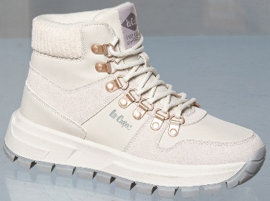 | LCJ-26-03-4525LA | 151062 | 36-41 | 1-2-3-3-2-1 | ORTHOLITE/SYNTHETIC | 9,579 HUF | 22,990 HUF |  | 0 HUF
241. |  | LCJ-26-03-4525LB | 151070 | 37-41 | 1-3-3-3-2 | ORTHOLITE/SYNTHETIC | 9,579 HUF | 22,990 HUF |  | 0 HUF
242. | 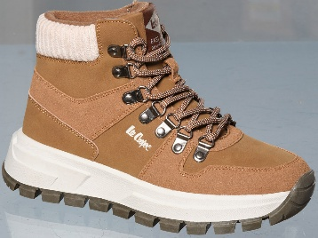 | LCJ-26-03-4526LA | 151077 | 36-41 | 1-2-3-3-2-1 | ORTHOLITE/SYNTHETIC | 9,579 HUF | 22,990 HUF |  | 0 HUF
243. |  | LCJ-26-03-4526LB | 151085 | 37-41 | 1-3-3-3-2 | ORTHOLITE/SYNTHETIC | 9,579 HUF | 22,990 HUF |  | 0 HUF
244. | 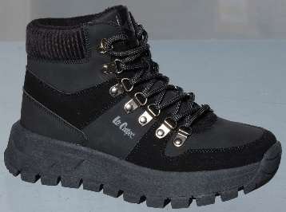 | LCJ-26-03-4527LA | 151092 | 36-41 | 1-2-3-3-2-1 | ORTHOLITE/SYNTHETIC | 9,579 HUF | 22,990 HUF |  | 0 HUF
245. |  | LCJ-26-03-4527LB | 151100 | 37-41 | 1-3-3-3-2 | ORTHOLITE/SYNTHETIC | 9,579 HUF | 22,990 HUF |  | 0 HUF
246. |  | LCJ-26-03-4528LA | 151107 | 36-41 | 1-2-3-3-2-1 | ORTHOLITE/LEATHER | 9,579 HUF | 22,990 HUF |  | 0 HUF
247. |  | LCJ-26-03-4528LB | 151115 | 37-41 | 1-3-3-3-2 | ORTHOLITE/LEATHER | 9,579 HUF | 22,990 HUF |  | 0 HUF
248. |  | LCJ-26-03-4529LA | 151122 | 36-41 | 1-2-3-3-2-1 | ORTHOLITE/LEATHER | 9,579 HUF | 22,990 HUF |  | 0 HUF
249. |  | LCJ-26-03-4529LB | 151130 | 37-41 | 1-3-3-3-2 | ORTHOLITE/LEATHER | 9,579 HUF | 22,990 HUF |  | 0 HUF
250. |  | LCJ-26-03-4530LA | 151137 | 36-41 | 1-2-3-3-2-1 | ORTHOLITE/LEATHER | 9,996 HUF | 23,990 HUF |  | 0 HUF
251. |  | LCJ-26-03-4530LB | 151145 | 37-41 | 1-3-3-3-2 | ORTHOLITE/LEATHER | 9,996 HUF | 23,990 HUF |  | 0 HUF
252. |  | LCJ-26-03-4531LA | 151152 | 36-41 | 1-2-3-3-2-1 | ORTHOLITE/LEATHER | 9,996 HUF | 23,990 HUF |  | 0 HUF
253. |  | LCJ-26-03-4531LB | 151160 | 37-41 | 1-3-3-3-2 | ORTHOLITE/LEATHER | 9,996 HUF | 23,990 HUF |  | 0 HUF
254. | 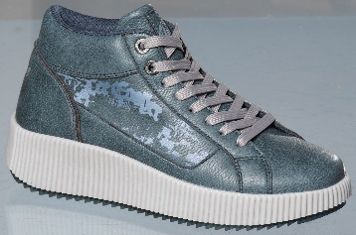 | LCJ-26-03-4532LA | 151167 | 36-41 | 1-2-3-3-2-1 | ORTHOLITE/SYNTHETIC | 8,329 HUF | 19,990 HUF |  | 0 HUF
255. |  | LCJ-26-03-4532LB | 151175 | 37-41 | 1-3-3-3-2 | ORTHOLITE/SYNTHETIC | 8,329 HUF | 19,990 HUF |  | 0 HUF
256. | 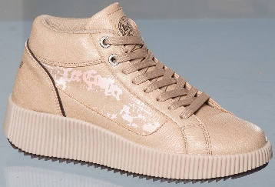 | LCJ-26-03-4533LA | 151182 | 36-41 | 1-2-3-3-2-1 | ORTHOLITE/SYNTHETIC | 8,329 HUF | 19,990 HUF |  | 0 HUF
257. |  | LCJ-26-03-4533LB | 151190 | 37-41 | 1-3-3-3-2 | ORTHOLITE/SYNTHETIC | 8,329 HUF | 19,990 HUF |  | 0 HUF
258. |  | LCJ-26-03-4534LA | 151197 | 36-41 | 1-2-3-3-2-1 | ORTHOLITE/SYNTHETIC | 9,163 HUF | 21,990 HUF |  | 0 HUF
259. |  | LCJ-26-03-4534LB | 151205 | 37-41 | 1-3-3-3-2 | ORTHOLITE/SYNTHETIC | 9,163 HUF | 21,990 HUF |  | 0 HUF
260. |  | LCJ-26-03-4535LA | 151212 | 36-41 | 1-2-3-3-2-1 | ORTHOLITE/SYNTHETIC | 9,163 HUF | 21,990 HUF |  | 0 HUF
261. |  | LCJ-26-03-4535LB | 151220 | 37-41 | 1-3-3-3-2 | ORTHOLITE/SYNTHETIC | 9,163 HUF | 21,990 HUF |  | 0 HUF
290. |  | LCJ-26-44-4560LA | 151466 | 36-41 | 1-2-3-3-2-1 | SYNTHETIC | 4,996 HUF | 11,990 HUF |  | 0 HUF
291. |  | LCJ-26-44-4560LB | 151474 | 37-41 | 1-3-3-3-2 | SYNTHETIC | 4,996 HUF | 11,990 HUF |  | 0 HUF
292. |  | LCJ-26-44-4561LA | 151481 | 36-41 | 1-2-3-3-2-1 | SYNTHETIC | 4,996 HUF | 11,990 HUF |  | 0 HUF
293. |  | LCJ-26-44-4561LB | 151489 | 37-41 | 1-3-3-3-2 | SYNTHETIC | 4,996 HUF | 11,990 HUF |  | 0 HUF
294. | 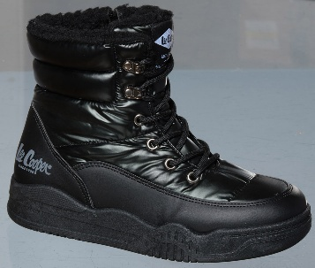 | LCJ-26-44-4562LA | 151496 | 36-41 | 1-2-3-3-2-1 | SYNTHETIC | 7,496 HUF | 17,990 HUF |  | 0 HUF
295. |  | LCJ-26-44-4562LB | 151504 | 37-41 | 1-3-3-3-2 | SYNTHETIC | 7,496 HUF | 17,990 HUF |  | 0 HUF
296. | 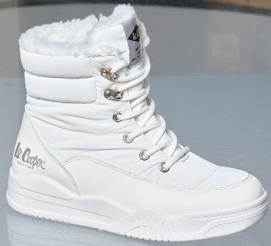 | LCJ-26-44-4563LA | 151511 | 36-41 | 1-2-3-3-2-1 | SYNTHETIC | 7,496 HUF | 17,990 HUF |  | 0 HUF
297. |  | LCJ-26-44-4563LB | 151519 | 37-41 | 1-3-3-3-2 | SYNTHETIC | 7,496 HUF | 17,990 HUF |  | 0 HUF
298. | 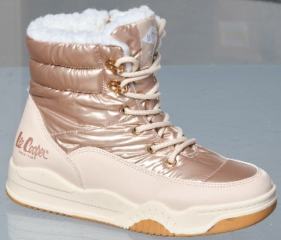 | LCJ-26-44-4564LA | 151526 | 36-41 | 1-2-3-3-2-1 | SYNTHETIC | 7,496 HUF | 17,990 HUF |  | 0 HUF
299. |  | LCJ-26-44-4564LB | 151534 | 37-41 | 1-3-3-3-2 | SYNTHETIC | 7,496 HUF | 17,990 HUF |  | 0 HUF
300. | 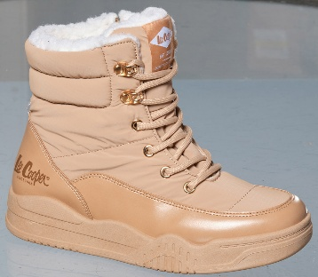 | LCJ-26-44-4565LA | 151541 | 36-41 | 1-2-3-3-2-1 | SYNTHETIC | 7,496 HUF | 17,990 HUF |  | 0 HUF
301. |  | LCJ-26-44-4565LB | 151549 | 37-41 | 1-3-3-3-2 | SYNTHETIC | 7,496 HUF | 17,990 HUF |  | 0 HUF
314. | 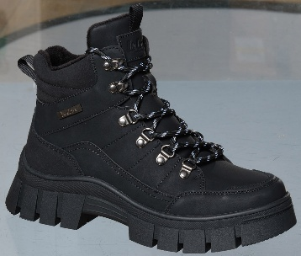 | LCJ-26-31-4580LA | 151676 | 36-41 | 1-2-3-3-2-1 | SYNTHETIC/LEATHER | 11,246 HUF | 26,990 HUF |  | 0 HUF
315. |  | LCJ-26-31-4580LB | 151684 | 37-41 | 1-3-3-3-2 | SYNTHETIC/LEATHER | 11,246 HUF | 26,990 HUF |  | 0 HUF
316. | 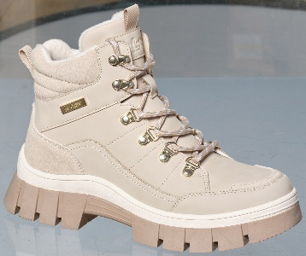 | LCJ-26-31-4581LA | 151691 | 36-41 | 1-2-3-3-2-1 | SYNTHETIC/LEATHER | 11,246 HUF | 26,990 HUF |  | 0 HUF
317. |  | LCJ-26-31-4581LB | 151699 | 37-41 | 1-3-3-3-2 | SYNTHETIC/LEATHER | 11,246 HUF | 26,990 HUF |  | 0 HUF
318. | 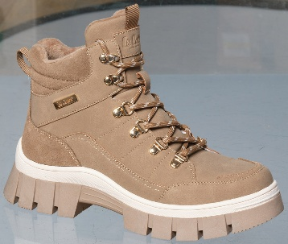 | LCJ-26-31-4582LA | 151706 | 36-41 | 1-2-3-3-2-1 | SYNTHETIC/LEATHER | 11,246 HUF | 26,990 HUF |  | 0 HUF
319. |  | LCJ-26-31-4582LB | 151714 | 37-41 | 1-3-3-3-2 | SYNTHETIC/LEATHER | 11,246 HUF | 26,990 HUF |  | 0 HUF
338. | 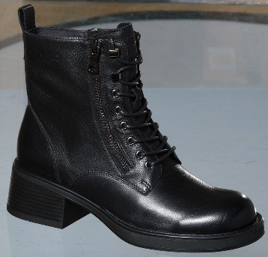 | LCJ-26-18-4660LC | 151865 | 36-41 | 1-1-2-2-1-1 | LEATHER | 16,663 HUF | 39,990 HUF |  | 0 HUF
339. |  | LCJ-26-18-4660LD | 151873 | 37-41 | 1-2-2-2-1 | LEATHER | 16,663 HUF | 39,990 HUF |  | 0 HUF
340. | 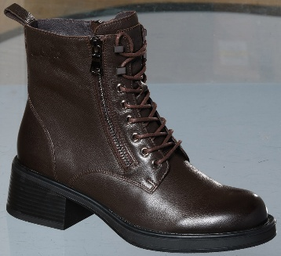 | LCJ-26-18-4661LC | 151880 | 36-41 | 1-1-2-2-1-1 | LEATHER | 16,663 HUF | 39,990 HUF |  | 0 HUF
341. |  | LCJ-26-18-4661LD | 151888 | 37-41 | 1-2-2-2-1 | LEATHER | 16,663 HUF | 39,990 HUF |  | 0 HUF
342. | 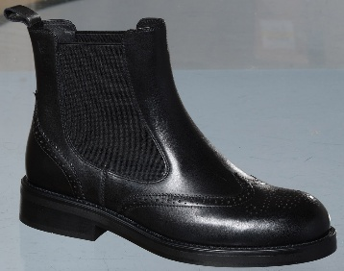 | LCJ-26-18-4662LC | 151895 | 36-41 | 1-1-2-2-1-1 | LEATHER | 15,829 HUF | 37,990 HUF |  | 0 HUF
343. |  | LCJ-26-18-4662LD | 151903 | 37-41 | 1-2-2-2-1 | LEATHER | 15,829 HUF | 37,990 HUF |  | 0 HUF
344. | 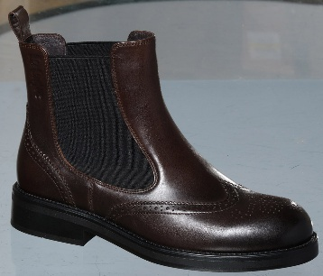 | LCJ-26-18-4663LC | 151910 | 36-41 | 1-1-2-2-1-1 | LEATHER | 15,829 HUF | 37,990 HUF |  | 0 HUF
345. |  | LCJ-26-18-4663LD | 151918 | 37-41 | 1-2-2-2-1 | LEATHER | 15,829 HUF | 37,990 HUF |  | 0 HUF
346. | 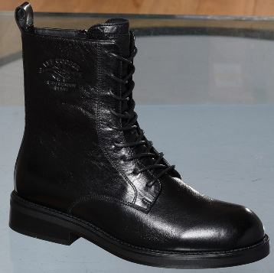 | LCJ-26-18-4664LC | 151925 | 36-41 | 1-1-2-2-1-1 | LEATHER | 16,663 HUF | 39,990 HUF |  | 0 HUF
347. |  | LCJ-26-18-4664LD | 151933 | 37-41 | 1-2-2-2-1 | LEATHER | 16,663 HUF | 39,990 HUF |  | 0 HUF
348. | 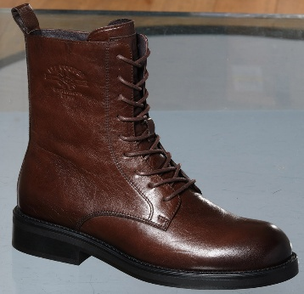 | LCJ-26-18-4665LC | 151940 | 36-41 | 1-1-2-2-1-1 | LEATHER | 16,663 HUF | 39,990 HUF |  | 0 HUF
349. |  | LCJ-26-18-4665LD | 151948 | 37-41 | 1-2-2-2-1 | LEATHER | 16,663 HUF | 39,990 HUF |  | 0 HUF
350. | 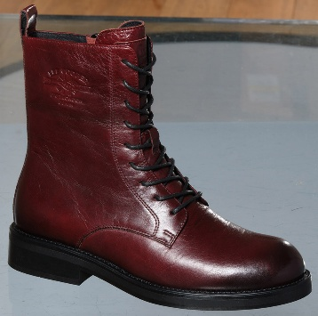 | LCJ-26-18-4666LC | 151955 | 36-41 | 1-1-2-2-1-1 | LEATHER | 16,663 HUF | 39,990 HUF |  | 0 HUF
351. |  | LCJ-26-18-4666LD | 151963 | 37-41 | 1-2-2-2-1 | LEATHER | 16,663 HUF | 39,990 HUF |  | 0 HUF
352. | 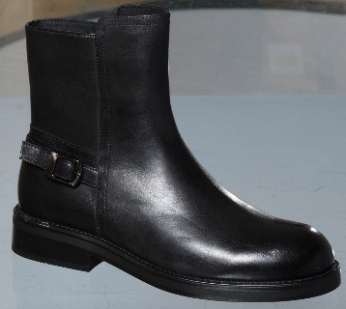 | LCJ-26-18-4667LC | 151970 | 36-41 | 1-1-2-2-1-1 | LEATHER | 16,663 HUF | 39,990 HUF |  | 0 HUF
353. |  | LCJ-26-18-4667LD | 151978 | 37-41 | 1-2-2-2-1 | LEATHER | 16,663 HUF | 39,990 HUF |  | 0 HUF
354. | 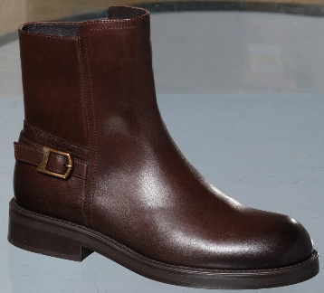 | LCJ-26-18-4668LC | 151985 | 36-41 | 1-1-2-2-1-1 | LEATHER | 16,663 HUF | 39,990 HUF |  | 0 HUF
355. |  | LCJ-26-18-4668LD | 151993 | 37-41 | 1-2-2-2-1 | LEATHER | 16,663 HUF | 39,990 HUF |  | 0 HUF
362. |  | LCJ-26-01-4613LA | 152048 | 36-41 | 1-2-3-3-2-1 | ORTHOLITE/SOFTSHEEL MESH | 9,996 HUF | 23,990 HUF |  | 0 HUF
363. |  | LCJ-26-01-4613LB | 152056 | 37-41 | 1-3-3-3-2 | ORTHOLITE/SOFTSHEEL MESH | 9,996 HUF | 23,990 HUF |  | 0 HUF
364. |  | LCJ-26-01-4614LA | 152063 | 36-41 | 1-2-3-3-2-1 | ORTHOLITE/SOFTSHEEL MESH | 9,996 HUF | 23,990 HUF |  | 0 HUF
365. |  | LCJ-26-01-4614LB | 152071 | 37-41 | 1-3-3-3-2 | ORTHOLITE/SOFTSHEEL MESH | 9,996 HUF | 23,990 HUF |  | 0 HUF
365.1 |  | LCJ-26-01-4659LA | 153483 | 36-41 | 1-2-3-3-2-1 | ORTHOLITE/SOFTSHEEL MESH | 10,413 HUF | 24,990 HUF |  | 0 HUF
365.2 |  | LCJ-26-01-4659LB | 153491 | 37-41 | 1-3-3-3-2 | ORTHOLITE/SOFTSHEEL MESH | 10,413 HUF | 24,990 HUF |  | 0 HUF
374. |  | LCJ-26-01-4619LA | 152142 | 36-41 | 1-2-3-3-2-1 | ORTHOLITE/SOFTSHEEL MESH | 10,413 HUF | 24,990 HUF |  | 0 HUF
375. |  | LCJ-26-01-4619LB | 152150 | 37-41 | 1-3-3-3-2 | ORTHOLITE/SOFTSHEEL MESH | 10,413 HUF | 24,990 HUF |  | 0 HUF
376. |  | LCJ-26-01-4620LA | 152157 | 36-41 | 1-2-3-3-2-1 | ORTHOLITE/SOFTSHEEL MESH | 10,413 HUF | 24,990 HUF |  | 0 HUF
377. |  | LCJ-26-01-4620LB | 152165 | 37-41 | 1-3-3-3-2 | ORTHOLITE/SOFTSHEEL MESH | 10,413 HUF | 24,990 HUF |  | 0 HUF
392. |  | LCJ-26-01-4628LA | 152284 | 36-41 | 1-2-3-3-2-1 | ORTHOLITE/MESH | 11,663 HUF | 27,990 HUF |  | 0 HUF
393. |  | LCJ-26-01-4628LB | 152292 | 37-41 | 1-3-3-3-2 | ORTHOLITE/MESH | 11,663 HUF | 27,990 HUF |  | 0 HUF
394. |  | LCJ-26-01-4629LA | 152299 | 36-41 | 1-2-3-3-2-1 | ORTHOLITE/MESH | 11,663 HUF | 27,990 HUF |  | 0 HUF
395. |  | LCJ-26-01-4629LB | 152307 | 37-41 | 1-3-3-3-2 | ORTHOLITE/MESH | 11,663 HUF | 27,990 HUF |  | 0 HUF
396. |  | LCJ-26-01-4630LA | 152314 | 36-41 | 1-2-3-3-2-1 | ORTHOLITE/MESH | 11,663 HUF | 27,990 HUF |  | 0 HUF
397. |  | LCJ-26-01-4630LB | 152322 | 37-41 | 1-3-3-3-2 | ORTHOLITE/MESH | 11,663 HUF | 27,990 HUF |  | 0 HUF
398. |  | LCJ-26-01-4631LA | 152329 | 36-41 | 1-2-3-3-2-1 | ORTHOLITE/MESH | 11,663 HUF | 27,990 HUF |  | 0 HUF
399. |  | LCJ-26-01-4631LB | 152337 | 37-41 | 1-3-3-3-2 | ORTHOLITE/MESH | 11,663 HUF | 27,990 HUF |  | 0 HUF
400. |  | LCJ-26-01-4632LC | 152344 | 36-41 | 1-1-2-2-1-1 | ORTHOLITE/LEATHER | 12,496 HUF | 29,990 HUF |  | 0 HUF
401. |  | LCJ-26-01-4632LD | 152352 | 37-41 | 1-2-2-2-1 | ORTHOLITE/LEATHER | 12,496 HUF | 29,990 HUF |  | 0 HUF
402. |  | LCJ-26-01-4633LC | 152359 | 36-41 | 1-1-2-2-1-1 | ORTHOLITE/LEATHER | 12,496 HUF | 29,990 HUF |  | 0 HUF
403. |  | LCJ-26-01-4633LD | 152367 | 37-41 | 1-2-2-2-1 | ORTHOLITE/LEATHER | 12,496 HUF | 29,990 HUF |  | 0 HUF
404. |  | LCJ-26-01-4634LC | 152374 | 36-41 | 1-1-2-2-1-1 | ORTHOLITE/LEATHER | 11,663 HUF | 27,990 HUF |  | 0 HUF
405. |  | LCJ-26-01-4634LD | 152382 | 37-41 | 1-2-2-2-1 | ORTHOLITE/LEATHER | 11,663 HUF | 27,990 HUF |  | 0 HUF
406. |  | LCJ-26-01-4635LC | 152389 | 36-41 | 1-1-2-2-1-1 | ORTHOLITE/LEATHER | 11,663 HUF | 27,990 HUF |  | 0 HUF
407. |  | LCJ-26-01-4635LD | 152397 | 37-41 | 1-2-2-2-1 | ORTHOLITE/LEATHER | 11,663 HUF | 27,990 HUF |  | 0 HUF
...

